Sheet1
 |  | Bug Report

 |  | Date | 2025-04-02
 |  | Tested By | Ashish Dadhich
 |  | Platform Operating System: | Window 10,
 |  | Browser | Chrome, Edge, Firefox

Bug ID | Test Case ID | Feature | Severity | Priority | Bug Description | Expected Result | Actual Result | Status | Screenshot
TB_001 | TC_003 | Register | High | High | Ensure registration fails with invalid credentials. | An error message should be displayed to the user. | user register succesful | Fail | 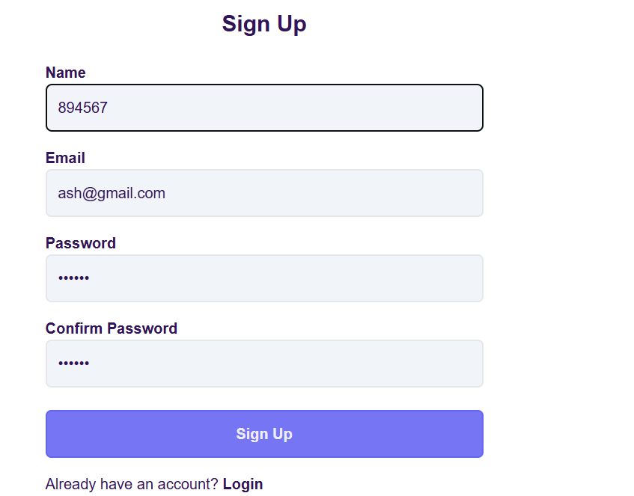
TB_002 | TC_004 | Register | Medium | High | Confirm that user registration supports alphanumeric characters. | User should be displayed error message | user register succesful | Fail
TB_004 | TC_006 | UI/UX | low | medium | Ensure the user can click on the logo on the login page. | user should be referesh the page | referesh the page but show some error message | Fail | 

